Instructions
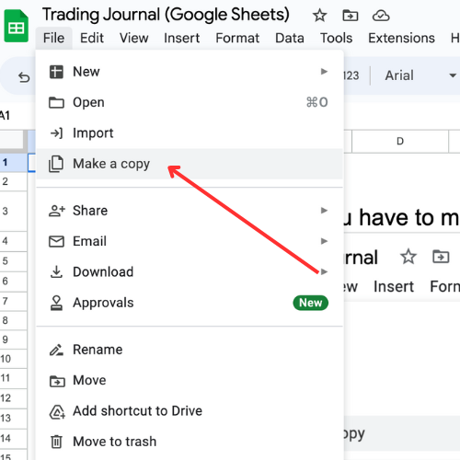
IMPORTANT! You have to make a copy | MULTIPLIER
of this journal to edit it.
 | Future Contracts
 | Value of a 1 point move on 1 contract
 | Examples:
 | eMini S&P 500: $50
 | eMicro S&P 500: $5
 | eMini Nasdaq 100: $20
 | eMicro Nasdaq 100: $2

 | Stocks
 | Value will always be 1

 | Forex
 | Face Value of the Contract
 | Examples:
Complete Instructions on how to use this trading journal can be viewed here: | EURUSD Standard Lot: $100,000
https://www.youtube.com/watch?v=RLO1d-yjlV4 | EURUSD Mini Lot: $10,000
 | EURUSD Micro Lot: $1,000

 | Note: You can double check you’re using
 | the correct multiplier by confirming your P&L is accurate.

Feel free to share this spreadsheet but we ask you leave JumpstartTrading.com's credit. Hope you enjoy!
Copyright
JumpstartTrading.com

Statistics
Statistics

Profit & Loss
 | $0.00
 | $0.00
 | $0.00
 | $0.00
 | $0.00
 | $0.00
 | $0.00
 | $0.00
 | $0.00
 | $0.00
 | $0.00
 | $0.00
 | $0.00
 | $0.00
 | $0.00
 | $0.00
 | $0.00
 | $0.00
 | $0.00
 | $0.00
 | $0.00
 | $0.00
 | $0.00
 | $0.00
 | $0.00
 | $0.00
 | $0.00
 | $0.00
 | $0.00
 | $0.00
 | $0.00
 | $0.00
 | $0.00
 | $0.00
 | $0.00
 | $0.00
 | $0.00
 | $0.00
 | $0.00
 | $0.00
 | $0.00
 | $0.00
 | $0.00
 | $0.00
 | $0.00
 | $0.00
 | $0.00
 | $0.00
 | $0.00
 | $0.00
...
Scatter Plot
 | $0.00
 | $0.00
 | $0.00
 | $0.00
 | $0.00
 | $0.00
 | $0.00
 | $0.00
 | $0.00
 | $0.00
 | $0.00
 | $0.00
 | $0.00
 | $0.00
 | $0.00
 | $0.00
 | $0.00
 | $0.00
 | $0.00
 | $0.00
 | $0.00
 | $0.00
 | $0.00
 | $0.00
 | $0.00
 | $0.00
 | $0.00
 | $0.00
 | $0.00
 | $0.00
 | $0.00
 | $0.00
 | $0.00
 | $0.00
 | $0.00
 | $0.00
 | $0.00
 | $0.00
 | $0.00
 | $0.00
 | $0.00
 | $0.00
 | $0.00
 | $0.00
 | $0.00
 | $0.00
 | $0.00
 | $0.00
 | $0.00
 | $0.00
...
 | Stats |  |  | Start Date | End Date
 | Net Gain/Loss | $0.00 |  | 7/1/22 | 12/31/23
 | Total Commissions | $0.00
 | % Win | No Data
 | % Loss | No Data
 | % Break Even | No Data
 | Average daily gain/loss | $0.00
 | Average winning trade | No Data
 | Average losing trade | No Data
 | Total number of trades | 0
 | Number of winning trades | 0
 | Number of losing trades | 0
 | Number of break even trades | 0
MFE
 | $0.00
 | $0.00
 | $0.00
 | $0.00
 | $0.00
 | $0.00
 | $0.00
 | $0.00
 | $0.00
 | $0.00
 | $0.00
 | $0.00
 | $0.00
 | $0.00
 | $0.00
 | $0.00
 | $0.00
 | $0.00
 | $0.00
 | $0.00
 | $0.00
 | $0.00
 | $0.00
 | $0.00
 | $0.00
 | $0.00
 | $0.00
 | $0.00
 | $0.00
 | $0.00
 | $0.00
 | $0.00
 | $0.00
 | $0.00
 | $0.00
 | $0.00
 | $0.00
 | $0.00
 | $0.00
 | $0.00
 | $0.00
 | $0.00
 | $0.00
 | $0.00
 | $0.00
 | $0.00
 | $0.00
 | $0.00
 | $0.00
 | $0.00
...
MAE
 | $0.00
 | $0.00
 | $0.00
 | $0.00
 | $0.00
 | $0.00
 | $0.00
 | $0.00
 | $0.00
 | $0.00
 | $0.00
 | $0.00
 | $0.00
 | $0.00
 | $0.00
 | $0.00
 | $0.00
 | $0.00
 | $0.00
 | $0.00
 | $0.00
 | $0.00
 | $0.00
 | $0.00
 | $0.00
 | $0.00
 | $0.00
 | $0.00
 | $0.00
 | $0.00
 | $0.00
 | $0.00
 | $0.00
 | $0.00
 | $0.00
 | $0.00
 | $0.00
 | $0.00
 | $0.00
 | $0.00
 | $0.00
 | $0.00
 | $0.00
 | $0.00
 | $0.00
 | $0.00
 | $0.00
 | $0.00
 | $0.00
 | $0.00
...
 | Max consecutive wins | #NAME?
 | Max consecutive losses | #NAME?
 | Largest gain | #NAME?
 | Largest loss | #NAME?
 | Average trade gain/loss | #DIV/0!
 | Average hold time (winning trades) | #DIV/0!
 | Average hold time (lossing trades) | #DIV/0!
 | Max drawdown | #NAME?
 | Average position MFE | No Data
 | Average position MAE | No Data

 | Daily Statistics | % Win | Average P&L | Total P&L (net)
 | Mon | No trades on this day | No trades on this day | $0.00
 | Tue | No trades on this day | No trades on this day | $0.00
 | Wed | No trades on this day | No trades on this day | $0.00
 | Thu | No trades on this day | No trades on this day | $0.00
 | Fri | No trades on this day | No trades on this day | $0.00

 | Strategy Statistics | % Win | Average P&L | Total P&L (net)
 | Strategy 1 | No trades with strategy | No trades with strategy | $0.00
 | Strategy 2 | No trades with strategy | No trades with strategy | $0.00
 | Strategy 3 | No trades with strategy | No trades with strategy | $0.00
 | Strategy 4 | No trades with strategy | No trades with strategy | $0.00
 | Strategy 5 | No trades with strategy | No trades with strategy | $0.00
 | Strategy 6 | No trades with strategy | No trades with strategy | $0.00

